1.2.9.1.3.3
Upgrade Cost Estimate
Name: | 1.2.9.1.3.3 Off-Ice Install: Procure ESD Sensor Handling Equipment
Parent WBS: | 1.2.9 Installation off-ice |  | MATERIALS ESTIMATE |  |  |  |  |  |  |  |  |  |  |  |  |  |  |  | LABOR ESTIMATE |  |  |  |  |  |  | TOTAL | SCHEDULE INPUT
Description of Scope: | ESD Protection for Safe Sensor Handling
Initials/Date: | DT 3/9/2022 |  | Quantities |  |  |  |  |  |  | Basis of Estimate (Select One, See Table Below) |  |  |  |  |  |  |  |  | HOURS |  |  |  |  |  |  |  |  | SCHEDULE LOGIC

WBS (if known) | Project Year (0-10) | Description | QTY | Spare | Total | Fabricate or Procure? | Procurement Details Manufacturer, Model, P/N, Vendor | Unit Price | Total Expected Price | C2 LOE Tasks | C3 Advanced | C4 Preliminary | C5 Conceptual | C6 Pre- Conceptual | C7 Rough Estimate | C8 Beyond SOTA | Cost Estimating Technique (See Table Below) | Materials Comments/Notes (procurement lead time, shipping restrictions, etc) | ENGR ($115/hr) | CAD ($81/hr) | SHOP ($77/hr) | STUDENT ($15/hr) | Total Hours | Total Hours Cost | Labor Comments/Schedule Inputs (eg. "March" or "After Microturbine running", etc) |  | Duration (Weeks) | Predecessors | Successors | Milestone
1.2.9.1.3.3 |  | lab coats (average price, depends on size and quantities) | 12 | 2 | 14 | Procure | https://www.correctproducts.com/371acb-tech-wear-blue-esd-jackets?quantity=1&custcol2=7 | $50.00 | $700.00 |  |  | C4 Preliminary |  |  |  |  | D-Expert Opinion |  |  |  |  |  | 0 | $0.00 |  | $700
1.2.9.1.3.3 |  | ESD mat for SPAT area | 2 | 0 | 2 | Procure | https://www.correctproducts.com/transforming-technologies-fm73648-esd-conductive-chair-floor-mat | $167.15 | $334.30 |  |  | C4 Preliminary |  |  |  |  | D-Expert Opinion |  |  |  |  |  | 0 | $0.00 |  | $334
1.2.9.1.3.3 |  | ESD gloves, 1 box each size | 6 | 0 | 6 | Procure | https://www.correctproducts.com/gl4500p-palm-coated-esd-inspection-gloves | $34.82 | $208.92 |  |  | C4 Preliminary |  |  |  |  | D-Expert Opinion |  |  |  |  |  | 0 | $0.00 |  | $209
1.2.9.1.3.3 |  | ESD grounding | 3 | 0 | 3 | Procure | https://www.correctproducts.com/3m-low-profile-ground-cord | $17.46 | $52.38 |  |  | C4 Preliminary |  |  |  |  | D-Expert Opinion |  |  |  |  |  | 0 | $0.00 |  | $52
1.2.9.1.3.3 |  | ionizing gun - more research needs to be done on the topic to verify how effective one of these would be at zero humidity (many models available) | 3 | 0 | 3 | Procure | https://www.correctproducts.com/esd-cleanroom-products/esd-ionizers/esd-ionizing-guns-nozzles | $1,200.00 | $3,600.00 |  |  | C4 Preliminary |  |  |  |  | D-Expert Opinion |  |  |  |  |  | 0 | $0.00 |  | $3,600
1.2.9.1.3.3 |  | wrist straps | 6 | 3 | 9 | Procure | https://www.correctproducts.com/esd-cleanroom-products/esd-personal-protection/esd-wrist-straps/dual-conductor-wrist-straps | $34.00 | $306.00 |  |  | C4 Preliminary |  |  |  |  | D-Expert Opinion |  |  |  |  |  | 0 | $0.00 |  | $306
1.2.9.1.3.3 |  | wrist strap connectors 10-20ft | 6 | 2 | 8 | Procure | https://www.correctproducts.com/esd-cleanroom-products/esd-personal-protection/esd-wrist-straps/dual-conductor-wrist-straps | $35.00 | $280.00 |  |  | C4 Preliminary |  |  |  |  | D-Expert Opinion |  |  |  |  |  | 0 | $0.00 |  | $280
1.2.9.1.3.3 |  | grounding plug in for wrist straps | 6 | 0 | 6 | Procure | https://www.correctproducts.com/bench-mount-ground | $11.18 | $67.08 |  |  | C4 Preliminary |  |  |  |  | D-Expert Opinion |  |  |  |  |  | 0 | $0.00 |  | $67
 |  |  |  |  | 0 |  |  |  | $0.00 |  |  |  |  |  |  |  |  |  |  |  |  |  | 0 | $0.00 |  | $0
 |  |  |  |  | 0 |  |  |  | $0.00 |  |  |  |  |  |  |  |  |  |  |  |  |  | 0 | $0.00 |  | $0
 |  |  |  |  | 0 |  |  |  | $0.00 |  |  |  |  |  |  |  |  |  |  |  |  |  | 0 | $0.00 |  | $0
 |  |  |  |  | 0 |  |  |  | $0.00 |  |  |  |  |  |  |  |  |  |  |  |  |  | 0 | $0.00 |  | $0
 |  |  |  |  | 0 |  |  |  | $0.00 |  |  |  |  |  |  |  |  |  |  |  |  |  | 0 | $0.00 |  | $0
 |  |  |  |  | 0 |  |  |  | $0.00 |  |  |  |  |  |  |  |  |  |  |  |  |  | 0 | $0.00 |  | $0
 |  |  |  |  | 0 |  |  |  | $0.00 |  |  |  |  |  |  |  |  |  |  |  |  |  | 0 | $0.00 |  | $0
 |  |  |  |  | 0 |  |  |  |  |  |  |  |  |  |  |  |  |  |  |  |  |  | 0 | $0.00 |  | $0
 |  |  |  |  | 0 |  |  |  |  |  |  |  |  |  |  |  |  |  |  |  |  |  | 0 | $0.00 |  | $0
 |  |  |  |  | 0 |  |  |  |  |  |  |  |  |  |  |  |  |  |  |  |  |  | 0 | $0.00 |  | $0
 |  |  |  |  | 0 |  |  |  |  |  |  |  |  |  |  |  |  |  |  |  |  |  | 0 | $0.00 |  | $0
 |  |  |  |  | 0 |  |  |  |  |  |  |  |  |  |  |  |  |  |  |  |  |  | 0 | $0.00 |  | $0
 |  |  |  |  | 0 |  |  |  |  |  |  |  |  |  |  |  |  |  |  |  |  |  | 0 | $0.00 |  | $0
 |  |  |  |  | 0 |  |  |  |  |  |  |  |  |  |  |  |  |  |  |  |  |  | 0 | $0.00 |  | $0
 |  |  |  |  | 0 |  |  |  |  |  |  |  |  |  |  |  |  |  |  |  |  |  | 0 | $0.00 |  | $0
 |  |  |  |  | 0 |  |  |  |  |  |  |  |  |  |  |  |  |  |  |  |  |  | 0 | $0.00 |  | $0
 |  |  |  |  | 0 |  |  |  |  |  |  |  |  |  |  |  |  |  |  |  |  |  | 0 | $0.00 |  | $0
 |  |  |  |  | 0 |  |  |  |  |  |  |  |  |  |  |  |  |  |  |  |  |  | 0 | $0.00 |  | $0
 |  |  |  |  | 0 |  |  |  |  |  |  |  |  |  |  |  |  |  |  |  |  |  | 0 | $0.00 |  | $0
 |  |  |  |  | 0 |  |  |  |  |  |  |  |  |  |  |  |  |  |  |  |  |  | 0 | $0.00 |  | $0
 |  |  |  |  | 0 |  |  |  |  |  |  |  |  |  |  |  |  |  |  |  |  |  | 0 | $0.00 |  | $0
 |  |  |  |  | 0 |  |  |  |  |  |  |  |  |  |  |  |  |  |  |  |  |  | 0 | $0.00 |  | $0
 |  |  |  |  | 0 |  |  |  |  |  |  |  |  |  |  |  |  |  |  |  |  |  | 0 | $0.00 |  | $0
 |  |  |  |  | 0 |  |  |  |  |  |  |  |  |  |  |  |  |  |  |  |  |  | 0 | $0.00 |  | $0
 |  |  |  |  | 0 |  |  |  |  |  |  |  |  |  |  |  |  |  |  |  |  |  | 0 | $0.00 |  | $0
 |  |  |  |  | 0 |  |  |  |  |  |  |  |  |  |  |  |  |  |  |  |  |  | 0 | $0.00 |  | $0
 |  |  |  |  | 0 |  |  |  |  |  |  |  |  |  |  |  |  |  |  |  |  |  | 0 | $0.00 |  | $0
 |  |  |  |  | 0 |  |  |  |  |  |  |  |  |  |  |  |  |  |  |  |  |  | 0 | $0.00 |  | $0
 |  |  |  |  | 0 |  |  |  |  |  |  |  |  |  |  |  |  |  |  |  |  |  | 0 | $0.00 |  | $0
 |  |  |  |  | 0 |  |  |  |  |  |  |  |  |  |  |  |  |  |  |  |  |  | 0 | $0.00 |  | $0
 |  |  |  |  | 0 |  |  |  |  |  |  |  |  |  |  |  |  |  |  |  |  |  | 0 | $0.00 |  | $0

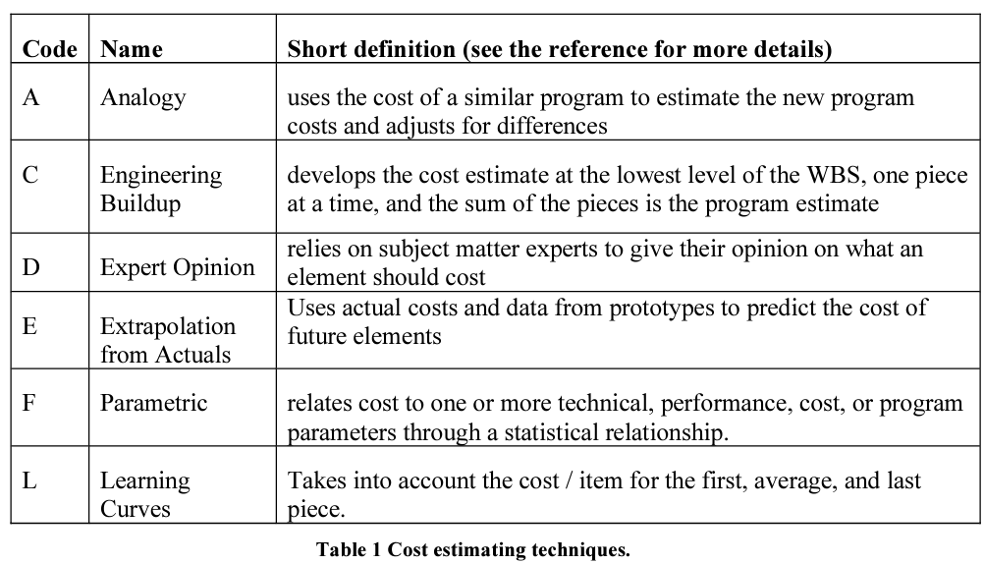
 |  |  |  |  |  |  |  |  | $5,548.68 | Total Expected Materials Cost |  |  |  |  |  |  |  |  | 0 | 0 | 0 | 0 | 0 | $0.00 | Total Hours Cost | $5,549
 |  |  |  |  |  |  |  |  |  |  |  |  |  |  |  |  |  |  |  |  |  |  |  |  |  |  |  | Schedule Logic Terms that can be used:
 |  |  |  |  |  |  |  |  |  |  |  |  |  |  |  |  |  |  |  |  |  |  |  |  |  |  |  | FS = Finish-to-Start
 |  |  |  |  |  |  |  |  |  |  |  |  |  |  |  |  |  |  |  |  |  |  |  |  |  |  |  | SS = Start-Start
 |  |  |  |  |  |  |  |  |  |  |  |  |  |  |  |  |  |  |  |  |  |  |  |  |  |  |  | FF = Finish-Finsh
 |  |  |  |  |  |  |  |  |  |  |  |  |  |  |  |  |  |  |  |  |  |  |  |  |  |  |  | SF = Start-to-Finish

