1.2.7 Support Equipment
Upgrade Cost Estimate
Name: | 1.2.7 Support Equipment
Parent WBS: | 1.2 Implementation |  | MATERIALS ESTIMATE |  |  |  |  |  |  |  |  |  |  |  |  |  |  | LABOR ESTIMATE |  |  |  |  |  |  | TOTAL | SCHEDULE INPUT
Description of Scope:
Initials/Date: |  |  | Quantities |  |  |  |  |  |  | Basis of Estimate (Select One, See Table Below) |  |  |  |  |  |  |  | HOURS |  |  |  |  |  |  |  |  | SCHEDULE LOGIC

WBS (if known) | Project Year (0-10) | Description | QTY | Spare | Total | Fabricate or Procure? | Procurement Details Manufacturer, Model, P/N, Vendor | Unit Price | Total Expected Price | C1 LOE Tasks | C2 Advanced | C3 Preliminary | C4 Conceptual | C5 Pre- Conceptual | C6 Rough Estimate | Cost Estimating Technique (See Table Below) | Materials Comments/Notes (procurement lead time, shipping restrictions, etc) | ENGR ($115/hr) | CAD ($81/hr) | SHOP ($77/hr) | STUDENT ($15/hr) | Total Hours | Total Hours Cost | Labor Comments/Schedule Inputs (eg. "March" or "After Microturbine running", etc) |  | Duration (Weeks) | Predecessors | Successors | Milestone | % of total
1.2.7.1 |  | Independent Firn Drill |  |  | 0 |  |  |  |  |  |  |  |  |  |  |  |  |  |  |  |  | 0 | $0.00 |  | $0 |  |  |  |  | 0
1.2.7.1.7 | 5 | IFD Follow-up Tasks (PY5) |  |  | 0 |  |  |  | 2000 |  |  | X |  |  |  | C | Brake cable $250, glycol barrel pump $500, spare flow meter $800, optical hydrometer $150, tarps/tools/spares $300 Total = $2000 | 40 |  | 24 |  | 64 | $6,448.00 | procurements, packing, documentation | $8,448 |  |  |  |  | 6
 |  |  |  |  | 0 |  |  |  |  |  |  |  |  |  |  |  |  |  |  |  |  | 0 | $0.00 |  | $0 |  |  |  |  | 0
1.2.7.2 |  | Maintenance/Repair Inventory |  |  |  |  |  |  |  |  |  |  |  |  |  |  |  |  |  |  |  | 0 | $0.00 |  | $0 |  |  |  |  | 0
1.2.7.2.1 | 5,6 | Identify Spares and Replacements |  |  |  |  |  |  |  |  |  |  | X |  |  | D |  | 24 |  |  |  | 24 | $2,760.00 | engr estimate | $2,760 |  |  |  |  | 2
1.2.7.2.2 | 5,6 | Procure Spares and Replacements |  |  |  |  |  |  | 8000 |  |  |  | X |  |  | D | 2 yr x $4000/yr. All other parts not already captured in subsystem resupply - safety gear, equipment support | 40 |  |  |  | 40 | $4,600.00 | engr estimate | $12,600 |  |  |  |  | 8
1.2.7.2.3 | 5 | Procure Hose Stock and Fittings |  |  |  |  |  |  | 5000 |  |  |  | X |  |  | D | Engr estimate. Fittings and adapters supply | 24 |  |  |  | 24 | $2,760.00 | engr estimate | $7,760 |  |  |  |  | 5
1.2.7.2.4 | 5 | Spare Parts Inventory and Catalog - Electrical/Controls |  |  |  |  |  |  |  |  |  |  | X |  |  | D | Engr estimate | 16 |  |  |  | 16 | $1,840.00 | engr estimate | $1,840 |  |  |  |  | 1
 |  |  |  |  |  |  |  |  |  |  |  |  |  |  |  |  |  |  |  |  |  | 0 | $0.00 |  | $0 |  |  |  |  | 0
1.2.7.3 |  | Shops (MECC, SEW, TOW, OML) |  |  | 0 |  |  |  |  |  |  |  |  |  |  |  |  |  |  |  |  | 0 | $0.00 |  | $0 |  |  |  |  | 0
1.2.7.3.1 | 5 | Identify Upgrade-Replacements, Spares |  |  | 0 |  |  |  |  |  |  |  | X |  |  | D |  | 16 |  |  |  | 16 | $1,840.00 | assess tools and equipment | $1,840 |  |  |  |  | 1
1.2.7.3.2 | 5 | Procure Upgrade-Replacements, Spares |  |  | 0 |  |  |  | 3500 |  |  |  | X |  |  | D | expert opinion | 32 |  |  |  | 32 | $3,680.00 | procure tools and equipment, assemble and inventory | $7,180 |  |  |  |  | 5
 |  |  |  |  | 0 |  |  |  |  |  |  |  |  |  |  |  |  |  |  |  |  | 0 | $0.00 |  | $0 |  |  |  |  | 0
1.2.7.4 |  | TestBed |  |  | 0 |  |  |  |  |  |  |  |  |  |  |  |  |  |  |  |  | 0 | $0.00 |  | $0 |  |  |  |  | 0
1.2.7.4.7 | 5 | Commission/Maintenance/Decommission (PY5) |  |  | 0 |  |  |  | 10000 |  |  |  | X |  |  | D | estimate based on engineering judgement from operating and maintaining drill testBed for 15 yrs. Includes maintenance and configuration adaptations to support testing needs. | 80 |  | 80 |  | 160 | $15,360.00 | estimate based on engineering judgement from operating and maintaining drill testBed for 15 yrs. Includes maintenance and configuration adaptations to support testing needs. | $25,360 |  |  |  |  | 17
1.2.7.4.8 | 6 | Commission/Maintenance/Decommission (PY6) |  |  | 0 |  |  |  | 10000 |  |  |  | X |  |  | D | estimate based on engineering judgement from operating and maintaining drill testBed for 15 yrs. Includes maintenance and configuration adaptations to support testing needs. | 80 |  | 80 |  | 160 | $15,360.00 | estimate based on engineering judgement from operating and maintaining drill testBed for 15 yrs. Includes maintenance and configuration adaptations to support testing needs. | $25,360 |  |  |  |  | 17
1.2.7.4.9 | 7 | Commission/Maintenance/Decommission (PY7) |  |  | 0 |  |  |  | 10000 |  |  |  | X |  |  | D | estimate based on engineering judgement from operating and maintaining drill testBed for 15 yrs. Includes maintenance and configuration adaptations to support testing needs. | 80 |  | 80 |  | 160 | $15,360.00 | estimate based on engineering judgement from operating and maintaining drill testBed for 15 yrs. Includes maintenance and configuration adaptations to support testing needs. | $25,360 |  |  |  |  | 17
1.2.7.4.10 | 8 | Commission/Maintenance/Decommission (PY8) |  |  | 0 |  |  |  | 2000 |  |  |  | X |  |  | D | estimate based on engineering judgement from operating and maintaining drill testBed for 15 yrs. Includes maintenance and configuration adaptations to support testing needs. | 40 |  | 40 |  | 80 | $7,680.00 | estimate based on engineering judgement from operating and maintaining drill testBed for 15 yrs. Includes maintenance and configuration adaptations to support testing needs. | $9,680 |  |  |  |  | 6
 |  |  |  |  | 0 |  |  |  |  |  |  |  |  |  |  |  |  |  |  |  |  | 0 |  |  | $0 |  |  |  |  | 0
1.2.7.5 |  | Tools and Equipment |  |  | 0 |  |  |  |  |  |  |  |  |  |  |  |  |  |  |  |  | 0 |  |  | $0 |  |  |  |  | 0
1.2.7.5.5 | 5,6,7 | Procure Tools & Equipment, & Consumables |  |  | 0 |  |  |  | 15000 |  |  |  | X |  |  | D | Annual stock up: Cordless tools, batteries, filters, hand tools, oil, tape, stationary. $5000/yr x 3 yrs (PY5,6,7). This is M&S! | 72 |  |  |  | 72 | $8,280.00 | 24 hr/yr x 3 years | $23,280 |  |  |  |  | 15
 |  |  |  |  | 0 |  |  |  |  |  |  |  |  |  |  |  |  |  |  |  |  | 0 |  |  | $0 |  |  |  |  | 0
 |  |  |  |  | 0 |  |  |  |  |  |  |  |  |  |  |  |  |  |  |  |  | 0 | $0.00 |  | $0 |  |  |  |  | 0

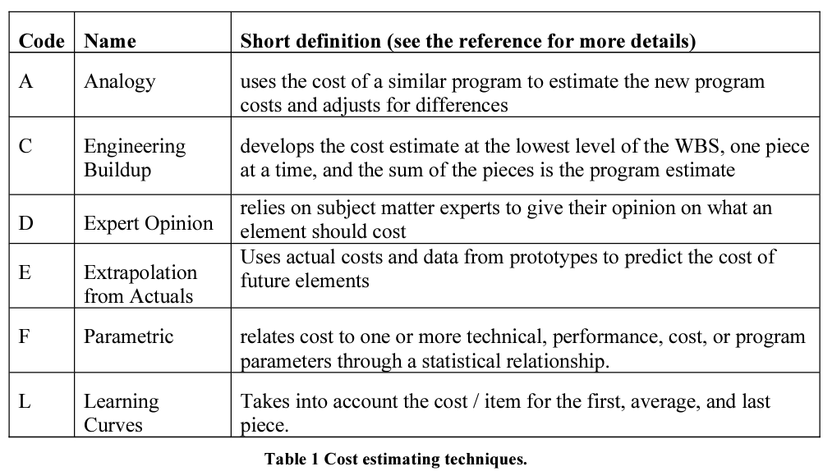
 |  |  |  |  |  |  |  |  | $65,500.00 | Total Expected Materials Cost |  |  |  |  |  |  |  | 544 | 0 | 304 | 0 | 848 | $85,968.00 | Total Hours Cost | $151,468
 |  |  |  |  |  |  |  |  |  |  |  |  |  |  |  |  |  |  |  |  |  |  |  |  |  |  | Schedule Logic Terms that can be used:
 |  |  |  |  |  |  |  |  |  |  |  |  |  |  |  |  |  |  |  |  |  |  |  |  |  |  | FS = Finish-to-Start
 |  |  |  |  |  |  |  |  |  |  |  |  |  |  |  |  |  |  |  |  |  |  |  |  |  |  | SS = Start-Start
 |  |  |  |  |  |  |  |  |  |  |  |  |  |  |  |  |  |  |  |  |  |  |  |  |  |  | FF = Finish-Finsh
 |  |  |  |  |  |  |  |  |  |  |  |  |  |  |  |  |  |  |  |  |  |  |  |  |  |  | SF = Start-to-Finish

