1.2.6 Water Handling
Upgrade Cost Estimate
Name: | 1.2.6 Water Handling
Parent WBS: | 1.2 Implementation |  | MATERIALS ESTIMATE |  |  |  |  |  |  |  |  |  |  |  |  |  |  | LABOR ESTIMATE |  |  |  |  |  |  | TOTAL | SCHEDULE INPUT
Description of Scope:
Initials/Date: |  |  | Quantities |  |  |  |  |  |  | Basis of Estimate (Select One, See Table Below) |  |  |  |  |  |  |  | HOURS |  |  |  |  |  |  |  |  | SCHEDULE LOGIC

WBS (if known) | Project Year (0-10) | Description | QTY | Spare | Total | Fabricate or Procure? | Procurement Details Manufacturer, Model, P/N, Vendor | Unit Price | Total Expected Price | C1 LOE Tasks | C2 Advanced | C3 Preliminary | C4 Conceptual | C5 Pre- Conceptual | C6 Rough Estimate | Cost Estimating Technique (See Table Below) | Materials Comments/Notes (procurement lead time, shipping restrictions, etc) | ENGR ($115/hr) | CAD ($81/hr) | SHOP ($77/hr) | STUDENT ($15/hr) | Total Hours | Total Hours Cost | Labor Comments/Schedule Inputs (eg. "March" or "After Microturbine running", etc) |  | Duration (Weeks) | Predecessors | Successors | Milestone | % of total
1.2.6.1 |  | Water Tanks |  |  | 0 |  |  |  |  |  |  |  |  |  |  |  |  |  |  |  |  | 0 | $0.00 |  | $0 |  |  |  |  | 0
1.2.6.1.3 | 6 | Procure Repair Parts, Replacements (PY6) |  |  | 0 |  |  |  | $5,000.00 |  |  |  | X |  |  | D | expert opinion. after FS1 assessment. WT1 return manifold reconfigure and reassemble, submersible pump riser hose refit materials | 24 |  |  |  | 24 | $2,760.00 | expert opinion, procure and some assembly | $7,760 |  |  |  |  | 14
 |  |  |  |  | 0 |  |  |  |  |  |  |  |  |  |  |  |  |  |  |  |  | 0 | $0.00 |  | $0 |  |  |  |  | 0
1.2.6.2 |  | Pumps |  |  | 0 |  |  |  |  |  |  |  |  |  |  |  |  |  |  |  |  | 0 | $0.00 |  | $0 |  |  |  |  | 0
1.2.6.2.5 | 5 | Procure Repair/Replacement Components (PY5) |  |  | 0 |  |  |  | $6,600.00 |  |  |  | X |  |  | D | VT pump feeders, cold rated cable $4k, 6x HubbleSW connectors $100/ea = $600, HPP cylinder linings and tooling $2k Total = $6600 | 40 |  |  |  | 40 | $4,600.00 |  | $11,200 |  |  |  |  | 20
1.2.6.2.6 | 6 | Procure Repair/Replacement Components (PY6) |  |  | 0 |  |  |  | $5,000.00 |  |  |  | X |  |  | D | expert opinion. after FS1 assessment. HPP, VT, and submersible pump parts, return water pump configuration plumbing and rigging | 24 |  |  |  | 24 | $2,760.00 |  | $7,760 |  |  |  |  | 14
 |  |  |  |  | 0 |  |  |  |  |  |  |  |  |  |  |  |  |  |  |  |  | 0 | $0.00 |  | $0 |  |  |  |  | 0
1.2.6.4 |  | Interconnects - External |  |  | 0 |  |  |  |  |  |  |  |  |  |  |  |  |  |  |  |  | 0 | $0.00 |  | $0 |  |  |  |  | 0
1.2.6.4.9 | 6 | Procure External Interconnect Materials (PY6) |  |  | 0 |  |  |  | $10,551.44 |  |  |  | X |  |  | C | See catalog items named "1.2.6 xxx" at this link (breakdown is provided below) - ignore 1.2.6 AeroquipHoseResupply | 40 |  |  |  | 40 | $4,600.00 | expert opinion, procure and organize, pre-terminate heat trace | $15,151 |  |  |  |  | 27
 |  |  |  |  | 0 |  |  |  |  |  |  |  |  |  |  |  |  |  |  |  |  | 0 | $0.00 |  | $0 |  |  |  |  | 0
1.2.6.5 |  | MDS Internal Hoses |  |  | 0 |  |  |  |  |  |  |  |  |  |  |  |  |  |  |  |  | 0 | $0.00 |  | $0 |  |  |  |  | 0
1.2.6.5.1 | 6 | Identify Replacement Water Hoses (1-1/2", 3/4", and 1/2" Hose) |  |  | 0 |  |  |  |  |  |  |  | X |  |  | D |  | 8 |  |  |  | 8 | $920.00 | expert opinion | $920 |  |  |  |  | 2
1.2.6.5.2 | 6 | Identify Replacement Fuel Hoses |  |  | 0 |  |  |  |  |  |  |  | X |  |  | D |  | 8 |  |  |  | 8 | $920.00 | expert opinion | $920 |  |  |  |  | 2
1.2.6.5.3 | 6 | Procure Replacements and Spares |  |  | 0 |  |  |  | $11,365.00 |  |  |  | X |  |  | D | see breakdown with est. costs here | 16 |  |  |  | 16 | $1,840.00 | expert opinion | $13,205 |  |  |  |  | 23
 |  |  |  |  | 0 |  |  |  |  |  |  |  |  |  |  |  |  |  |  |  |  | 0 | $0.00 |  | $0 |  |  |  |  | 0
 |  |  |  |  | 0 |  |  |  |  |  |  |  |  |  |  |  |  |  |  |  |  | 0 | $0.00 |  | $0 |  |  |  |  | 0
 |  |  |  |  | 0 |  |  |  |  |  |  |  |  |  |  |  |  |  |  |  |  | 0 | $0.00 |  | $0 |  |  |  |  | 0

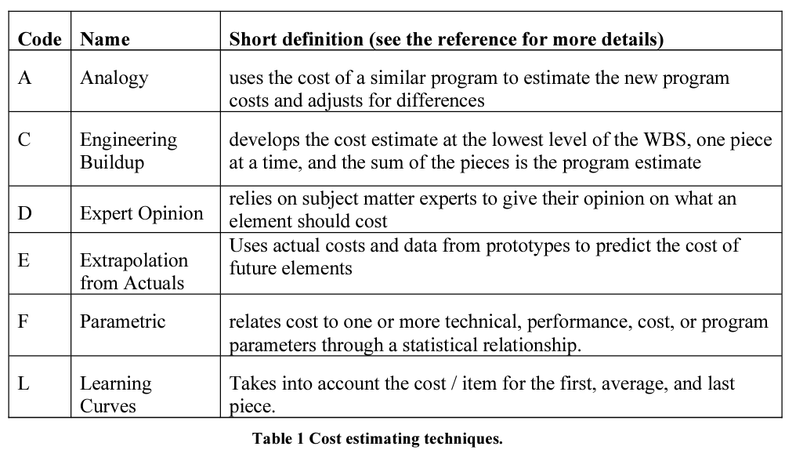
 |  |  |  |  |  |  |  |  | $38,516.44 | Total Expected Materials Cost |  |  |  |  |  |  |  | 160 | 0 | 0 | 0 | 160 | $18,400.00 | Total Hours Cost | $56,916
 |  |  |  |  |  |  |  |  |  |  |  |  |  |  |  |  |  |  |  |  |  |  |  |  |  |  | Schedule Logic Terms that can be used:
 |  |  |  |  |  |  |  |  |  |  |  |  |  |  |  |  |  |  |  |  |  |  |  |  |  |  | FS = Finish-to-Start
 |  |  |  |  |  |  |  | 1.2.6.4 |  |  |  |  |  |  |  |  |  |  |  |  |  |  |  |  |  |  | SS = Start-Start
 |  |  |  |  |  |  |  | Qty | Item | $/ea | subtotal |  |  |  |  |  |  |  |  |  |  |  |  |  |  |  | FF = Finish-Finsh
 |  |  |  |  |  |  |  | 300 | heat trace | 9.67 | $2,901.00 |  |  |  |  |  |  |  |  |  |  |  |  |  |  |  | SF = Start-to-Finish
 |  |  |  |  |  |  |  | 6 | LED termination | 266.17 | $1,597.02
 |  |  |  |  |  |  |  | 6 | Power termination | 182.96 | $1,097.76
 |  |  |  |  |  |  |  | 4 | bubble insulation, 125' | 81.74 | $326.96
 |  |  |  |  |  |  |  | 20 | tape | 43.11 | $862.20
 |  |  |  |  |  |  |  | 150 | Camp hose insulation, 6' | 25.11 | $3,766.50
 |  |  |  |  |  |  |  |  |  |  | $10,551.44

