1.2.2 Thermal Plants
Upgrade Cost Estimate
Name: | 1.2.2 Thermal Plants
Parent WBS: | 1.2 Implementation |  | MATERIALS ESTIMATE |  |  |  |  |  |  |  |  |  |  |  |  |  |  | LABOR ESTIMATE |  |  |  |  |  |  | TOTAL | SCHEDULE INPUT
Description of Scope:
Initials/Date: |  |  | Quantities |  |  |  |  |  |  | Basis of Estimate (Select One, See Table Below) |  |  |  |  |  |  |  | HOURS |  |  |  |  |  |  |  |  | SCHEDULE LOGIC

WBS (if known) | Project Year (0-10) | Description | QTY | Spare | Total | Fabricate or Procure? | Procurement Details Manufacturer, Model, P/N, Vendor | Unit Price | Total Expected Price | C1 LOE Tasks | C2 Advanced | C3 Preliminary | C4 Conceptual | C5 Pre- Conceptual | C6 Rough Estimate | Cost Estimating Technique (See Table Below) | Materials Comments/Notes (procurement lead time, shipping restrictions, etc) | ENGR ($115/hr) | CAD ($81/hr) | SHOP ($77/hr) | STUDENT ($15/hr) | Total Hours | Total Hours Cost | Labor Comments/Schedule Inputs (eg. "March" or "After Microturbine running", etc) |  | Duration (Weeks) | Predecessors | Successors | Milestone | % of total
 |  |  |  |  | 0 |  |  |  |  |  |  |  |  |  |  |  |  |  |  |  |  | 0 | $0.00 |  | $0 |  |  |  |  | 0
1.2.2.1 |  | Main Heating Plants |  |  | 0 |  |  |  |  |  |  |  |  |  |  |  |  |  |  |  |  | 0 | $0.00 |  | $0 |  |  |  |  | 0
1.2.2.1.6 | 5 | Procure MHP Upgrade, Sub-Components, Spares (PY5) |  |  | 0 |  |  |  | 5000 |  |  | X |  |  |  | D | expert opinion. before FS1. Final valves, fittings, strainer screens and gaskets, turbine meter rebuilds, dP switch rebuilds, burner components, fuel system | 24 |  |  |  | 24 | $2,760.00 | expert opinion. identify and procure | $7,760 |  |  |  |  | 8
1.2.2.1.7 | 6 | Develop HPU2 Integrate Plan |  |  |  |  |  |  |  |  |  | X |  |  |  | D |  | 50 |  |  |  | 50 | $5,750.00 | expert opinion. after FS1 assessment | $5,750 |  |  |  |  | 6
1.2.2.1.8 | 6 | Procure and Assemble HPU2 Integration Components |  |  | 0 |  |  |  | 10000 |  |  | X |  |  |  | D | manifold, fittings, valves, hose | 40 |  | 40 |  | 80 | $7,680.00 | expert opinion. design, procure, assemble, test | $17,680 |  |  |  |  | 19
1.2.2.1.10 | 6 | Procure MHP Upgrade, Sub-Components, Spares (PY6) |  |  | 0 |  |  |  | 5000 |  |  | X |  |  |  | D | expert opinion. after FS1. Valves, fittings, strainer screens and gaskets, turbine meter rebuilds, dP switch rebuilds, burner components, fuel system | 24 |  |  |  | 24 | $2,760.00 | expert opinion. identify and procure | $7,760 |  |  |  |  | 8
 |  |  |  |  | 0 |  |  |  |  |  |  |  |  |  |  |  |  |  |  |  |  | 0 | $0.00 |  | $0 |  |  |  |  | 0
1.2.2.2 |  | Pre-Heat System |  |  | 0 |  |  |  |  |  |  |  |  |  |  |  |  |  |  |  |  | 0 | $0.00 |  | $0 |  |  |  |  | 0
1.2.2.2.4 | 6 | Procure and Upgrade Control Boxes (PY6) |  |  | 0 |  |  |  | 4000 |  |  | X |  |  |  | D | Updated displays, connectors. DGHs and other control components captured elsewhere. Need to reassess after FS1. majority of task is labor. | 80 |  | 80 |  | 160 | $15,360.00 | expert opinion. Labor to rebuild and test 4 boxes, including procurement, design, and oversight time. Roughly 20hr engr + 20hr tech per box | $19,360 |  |  |  |  | 21
1.2.2.2.5 | 6 | Procure Upgrade, Sub-Components, Spares (PY6) |  |  | 0 |  |  |  | 5000 |  |  | X |  |  |  | D | expert opinion. after FS1. Valves, fittings, strainer screens and gaskets, turbine meter rebuilds, dP switch rebuilds, burner components, fuel system. Condensate disposal system components after intitial install. | 24 |  |  |  | 24 | $2,760.00 | expert opinion. design, procure, assemble, test | $7,760 |  |  |  |  | 8
 |  |  |  |  | 0 |  |  |  |  |  |  |  |  |  |  |  |  |  |  |  |  | 0 | $0.00 |  | $0 |  |  |  |  | 0
1.2.2.3 |  | Fuel Storage and Delivery |  |  | 0 |  |  |  |  |  |  |  |  |  |  |  |  |  |  |  |  | 0 | $0.00 |  | $0 |  |  |  |  | 0
1.2.2.3.8 | 5 | Procure ARA Fueling Hose & Nozzle (PY5) |  |  | 0 |  |  |  | 4442 |  |  | X |  |  |  | C | Majority of cost is the hose. FC300 (or similar) hose, 120 ft x $32.85/ft Plus ~$500 for fueling nozzle and fittings | 8 |  |  |  | 8 | $920.00 | expert opinion | $5,362 |  |  |  |  | 6
1.2.2.3.9 | 5 | Procure Racor Fuel Filter Elements and Gauges Replacements (PY5) |  |  | 0 |  |  |  | 1500 |  |  | X |  |  |  | D | expert opinion | 16 |  | 16 |  | 32 | $3,072.00 | expert opinion | $4,572 |  |  |  |  | 5
1.2.2.3.10 | 6 | Procure Fuel system Upgrade/Maintenance Subcomponents (PY6) |  |  | 0 |  |  |  | 2400 |  |  | X |  |  |  | D | expert opinion. after FS1. Valves, fittings, and instrumentation, fuel tower, MDSes | 24 |  |  |  | 24 | $2,760.00 | expert opinion. design, procure, assemble | $5,160 |  |  |  |  | 6
1.2.2.3.11 | 6 | Procure MHP Fuel Heat Exchangers Replacements (PY6) |  |  | 0 |  |  |  | 10282.52 |  |  | X |  |  |  | C | 5x + 1x spare heat exchangers, $1630.42/ea Plus ~$500 for fittings and fans | 16 |  |  |  | 16 | $1,840.00 | procure and assemble | $12,123 |  |  |  |  | 13
 |  |  |  |  | 0 |  |  |  |  |  |  |  |  |  |  |  |  |  |  |  |  | 0 | $0.00 |  | $0 |  |  |  |  | 0
 |  |  |  |  | 0 |  |  |  |  |  |  |  |  |  |  |  |  |  |  |  |  | 0 | $0.00 |  | $0 |  |  |  |  | 0
 |  |  |  |  | 0 |  |  |  |  |  |  |  |  |  |  |  |  |  |  |  |  | 0 | $0.00 |  | $0 |  |  |  |  | 0
 |  |  |  |  | 0 |  |  |  |  |  |  |  |  |  |  |  |  |  |  |  |  | 0 | $0.00 |  | $0 |  |  |  |  | 0
 |  |  |  |  | 0 |  |  |  |  |  |  |  |  |  |  |  |  |  |  |  |  | 0 | $0.00 |  | $0 |  |  |  |  | 0
 |  |  |  |  | 0 |  |  |  |  |  |  |  |  |  |  |  |  |  |  |  |  | 0 | $0.00 |  | $0 |  |  |  |  | 0
 |  |  |  |  | 0 |  |  |  |  |  |  |  |  |  |  |  |  |  |  |  |  | 0 | $0.00 |  | $0 |  |  |  |  | 0

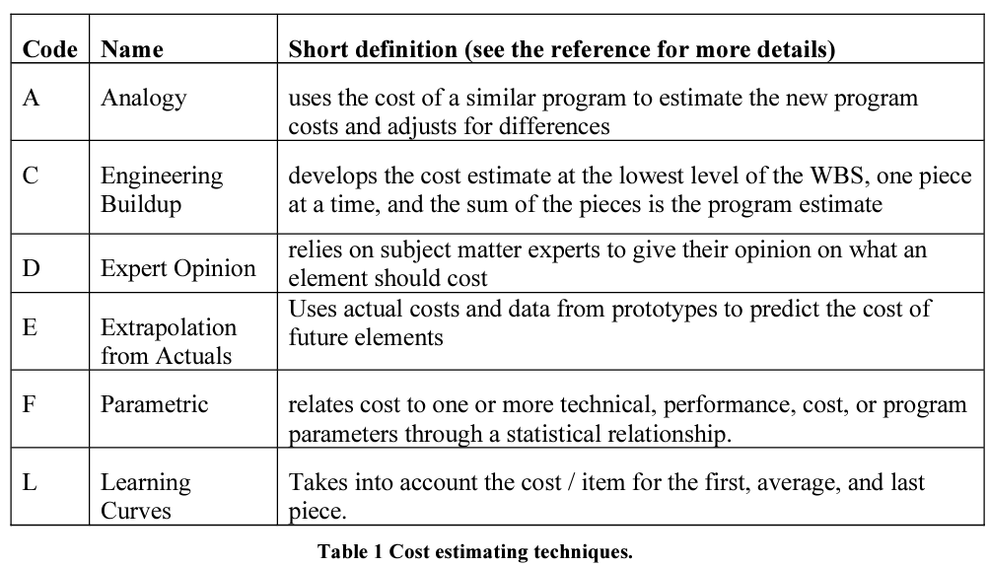
 |  |  |  |  |  |  |  |  | $47,624.52 | Total Expected Materials Cost |  |  |  |  |  |  |  | 306 | 0 | 136 | 0 | 442 | $45,662.00 | Total Hours Cost | $93,287
 |  |  |  |  |  |  |  |  |  |  |  |  |  |  |  |  |  |  |  |  |  |  |  |  |  |  | Schedule Logic Terms that can be used:
 |  |  |  |  |  |  |  |  |  |  |  |  |  |  |  |  |  |  |  |  |  |  |  |  |  |  | FS = Finish-to-Start
 |  |  |  |  |  |  |  |  |  |  |  |  |  |  |  |  |  |  |  |  |  |  |  |  |  |  | SS = Start-Start
 |  |  |  |  |  |  |  |  |  |  |  |  |  |  |  |  |  |  |  |  |  |  |  |  |  |  | FF = Finish-Finsh
 |  |  |  |  |  |  |  |  |  |  |  |  |  |  |  |  |  |  |  |  |  |  |  |  |  |  | SF = Start-to-Finish

