1.2.4.1
Upgrade Cost Estimate
Name: | 1.2.4.1 Architecture
Parent WBS: | 1.2 Implementation |  |  |  |  |  |  |  |  |  |  | LABOR ESTIMATE |  |  |  |  |  |  | TOTAL | SCHEDULE INPUT
Description of Scope:
Initials/Date: |  |  |  | Basis of Estimate (Select One, See Table Below) |  |  |  |  |  |  |  | HOURS |  |  |  |  |  |  |  |  | SCHEDULE LOGIC

WBS (if known) | Project Year (0-10) | Description | Total Expected Price | C1 LOE Tasks | C2 Advanced | C3 Preliminary | C4 Conceptual | C5 Pre- Conceptual | C6 Rough Estimate | Cost Estimating Technique (See Table Below) | Materials Comments/Notes (procurement lead time, shipping restrictions, etc) | ENGR ($115/hr) | CAD ($81/hr) | SHOP ($77/hr) | STUDENT ($15/hr) | Total Hours | Total Hours Cost | Labor Comments/Schedule Inputs (eg. "March" or "After Microturbine running", etc) |  | Duration (Weeks) | Predecessors | Successors | Milestone | % of total
 |  |  |  |  |  |  |  |  |  |  |  |  |  |  |  | 0 | $0.00 |  | $0 |  |  |  |  | 0
1.2.4.1.8 | 5 | Coordination with USAP IT (PY5) |  |  |  | x |  |  |  | D |  | 20 |  |  |  | 20 | $2,300.00 | 6 mtgs x 3 engr x 1hr/mtg + 2 hr prep | $2,300 |  |  |  |  | 14
1.2.4.1.9 | 5 | CS Drawings & Documentation (PY5) |  |  |  | x |  |  |  | D |  | 32 |  |  |  | 32 | $3,680.00 |  | $3,680 |  |  |  |  | 22
1.2.4.1.10 | 6 | CS Drawings & Documentation (PY6) |  |  |  | x |  |  |  | D |  | 32 |  |  |  | 32 | $3,680.00 |  | $3,680 |  |  |  |  | 22
1.2.4.1.11 | 7 | CS Drawings & Documentation (PY7) |  |  |  | x |  |  |  | D |  | 32 |  |  |  | 32 | $3,680.00 |  | $3,680 |  |  |  |  | 22
1.2.4.1.12 | 8 | CS Drawings & Documentation (PY8) |  |  |  | x |  |  |  | D |  | 32 |  |  |  | 32 | $3,680.00 |  | $3,680 |  |  |  |  | 22
 |  |  |  |  |  |  |  |  |  |  |  |  |  |  |  | 0 | $0.00 |  | $0
 |  |  |  |  |  |  |  |  |  |  |  |  |  |  |  | 0 | $0.00 |  | $0
 |  |  |  |  |  |  |  |  |  |  |  |  |  |  |  | 0 | $0.00 |  | $0
 |  |  |  |  |  |  |  |  |  |  |  |  |  |  |  | 0 | $0.00 |  | $0
 |  |  |  |  |  |  |  |  |  |  |  |  |  |  |  | 0 | $0.00 |  | $0
 |  |  |  |  |  |  |  |  |  |  |  |  |  |  |  | 0 | $0.00 |  | $0
 |  |  |  |  |  |  |  |  |  |  |  |  |  |  |  | 0 | $0.00 |  | $0
 |  |  |  |  |  |  |  |  |  |  |  |  |  |  |  | 0 | $0.00 |  | $0
 |  |  |  |  |  |  |  |  |  |  |  |  |  |  |  | 0 | $0.00 |  | $0
 |  |  |  |  |  |  |  |  |  |  |  |  |  |  |  | 0 | $0.00 |  | $0
 |  |  |  |  |  |  |  |  |  |  |  |  |  |  |  | 0 | $0.00 |  | $0
 |  |  |  |  |  |  |  |  |  |  |  |  |  |  |  | 0 | $0.00 |  | $0
 |  |  |  |  |  |  |  |  |  |  |  |  |  |  |  | 0 | $0.00 |  | $0
 |  |  |  |  |  |  |  |  |  |  |  |  |  |  |  | 0 | $0.00 |  | $0
 |  |  |  |  |  |  |  |  |  |  |  |  |  |  |  | 0 | $0.00 |  | $0
 |  |  |  |  |  |  |  |  |  |  |  |  |  |  |  | 0 | $0.00 |  | $0
 |  |  |  |  |  |  |  |  |  |  |  |  |  |  |  | 0 | $0.00 |  | $0
 |  |  |  |  |  |  |  |  |  |  |  |  |  |  |  | 0 | $0.00 |  | $0
 |  |  |  |  |  |  |  |  |  |  |  |  |  |  |  | 0 | $0.00 |  | $0
 |  |  |  |  |  |  |  |  |  |  |  |  |  |  |  | 0 | $0.00 |  | $0
 |  |  |  |  |  |  |  |  |  |  |  |  |  |  |  | 0 | $0.00 |  | $0
 |  |  |  |  |  |  |  |  |  |  |  |  |  |  |  | 0 | $0.00 |  | $0
 |  |  |  |  |  |  |  |  |  |  |  |  |  |  |  | 0 | $0.00 |  | $0
 |  |  |  |  |  |  |  |  |  |  |  |  |  |  |  | 0 | $0.00 |  | $0
 |  |  |  |  |  |  |  |  |  |  |  |  |  |  |  | 0 | $0.00 |  | $0
 |  |  |  |  |  |  |  |  |  |  |  |  |  |  |  | 0 | $0.00 |  | $0
 |  |  |  |  |  |  |  |  |  |  |  |  |  |  |  | 0 | $0.00 |  | $0
 |  |  |  |  |  |  |  |  |  |  |  |  |  |  |  | 0 | $0.00 |  | $0
 |  |  |  |  |  |  |  |  |  |  |  |  |  |  |  | 0 | $0.00 |  | $0
 |  |  |  |  |  |  |  |  |  |  |  |  |  |  |  | 0 | $0.00 |  | $0

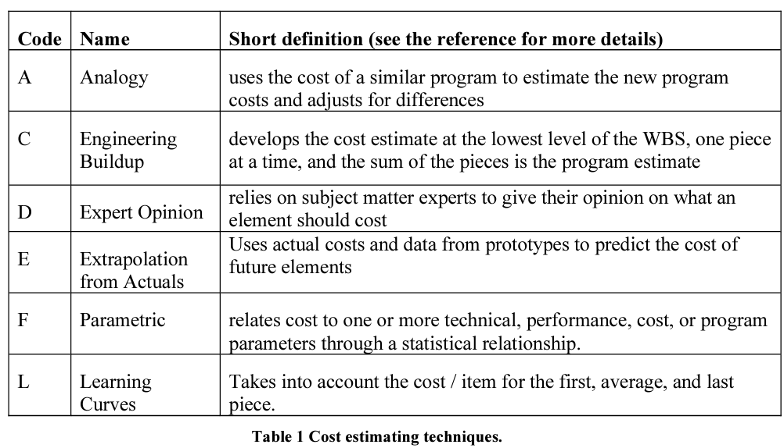
 |  |  | $- | Total Expected Materials Cost |  |  |  |  |  |  |  | 148 | 0 | 0 | 0 | 148 | $17,020.00 | Total Hours Cost | $17,020
 |  |  |  |  |  |  |  |  |  |  |  |  |  |  |  |  |  |  |  |  | Schedule Logic Terms that can be used:
 |  |  |  |  |  |  |  |  |  |  |  |  |  |  |  |  |  |  |  |  | FS = Finish-to-Start
 |  |  |  |  |  |  |  |  |  |  |  |  |  |  |  |  |  |  |  |  | SS = Start-Start
 |  |  |  |  |  |  |  |  |  |  |  |  |  |  |  |  |  |  |  |  | FF = Finish-Finsh
 |  |  |  |  |  |  |  |  |  |  |  |  |  |  |  |  |  |  |  |  | SF = Start-to-Finish

